day vs hind
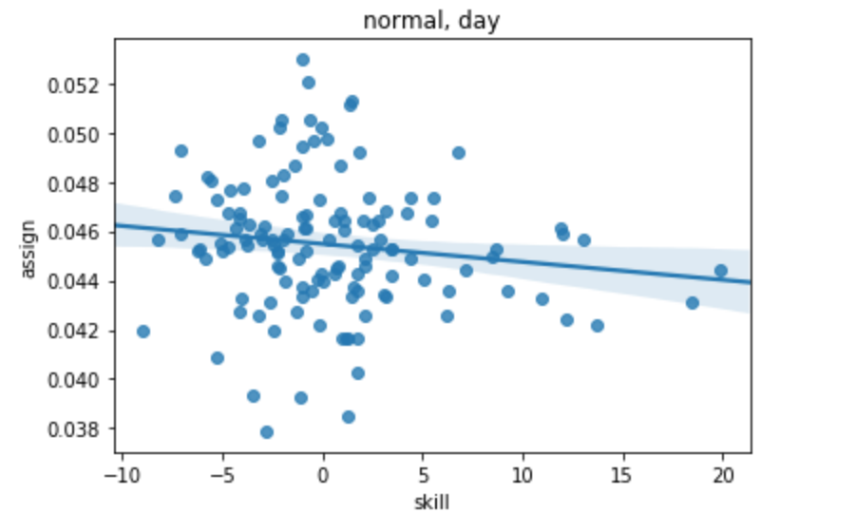
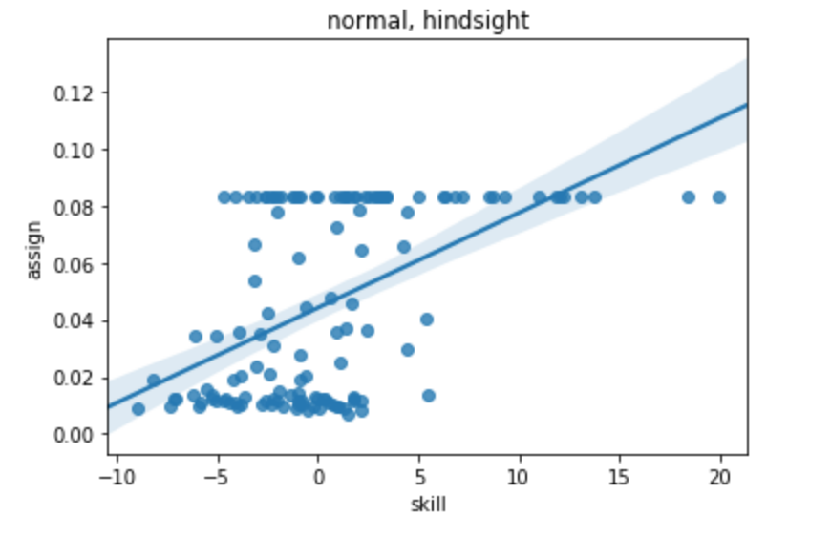
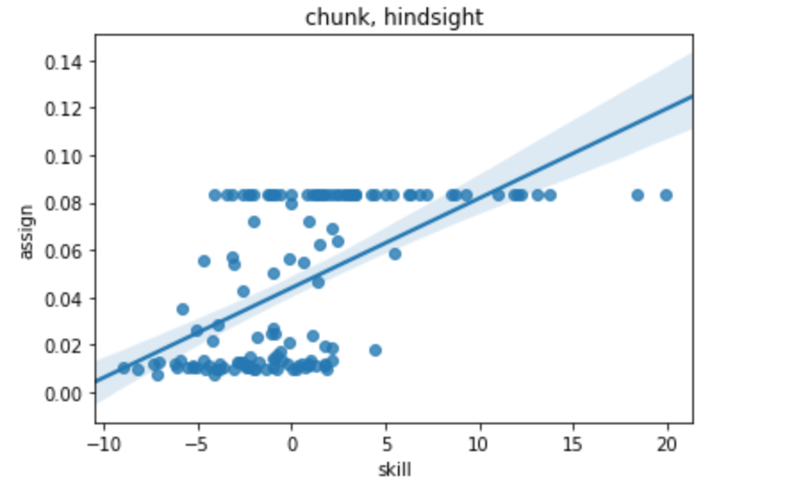
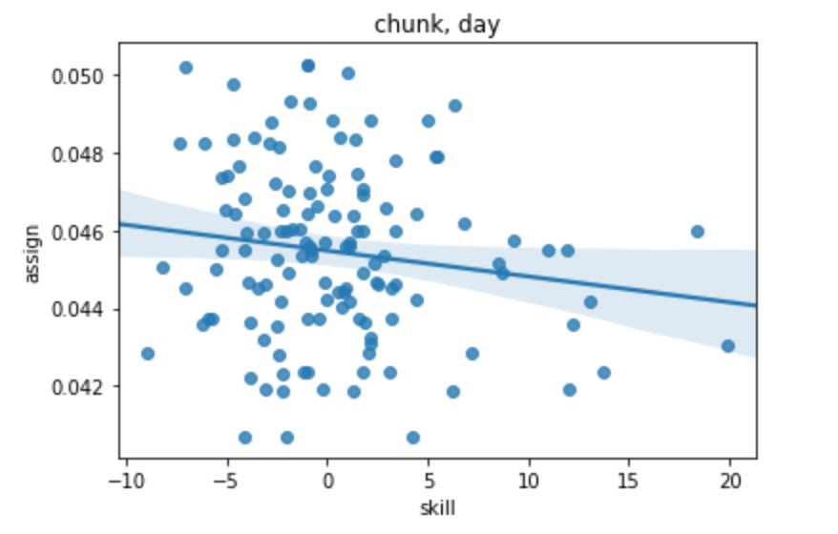
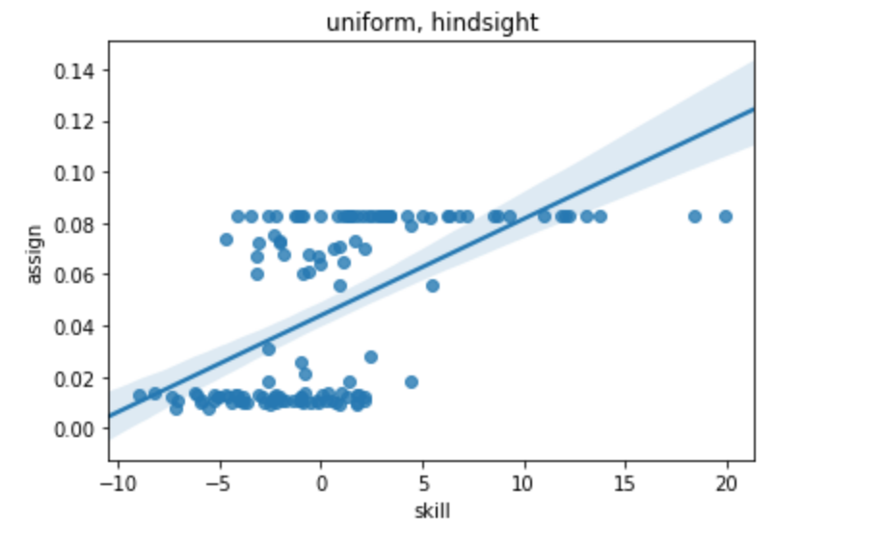
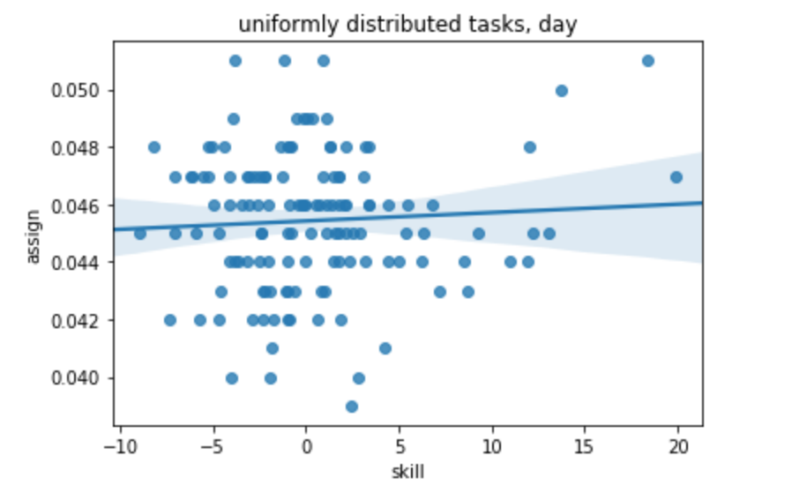
Correlations

spec vs. div
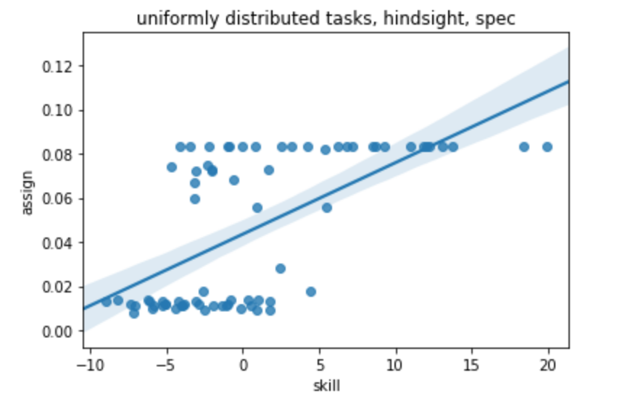
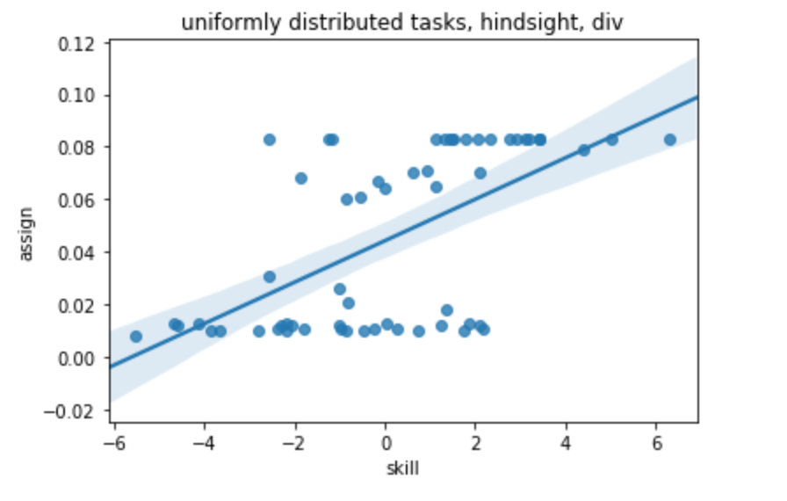
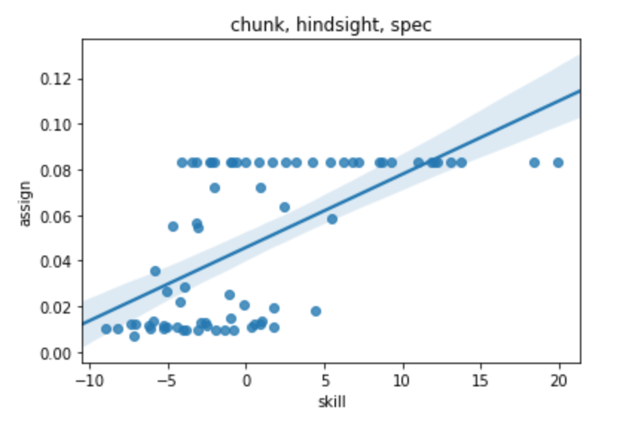
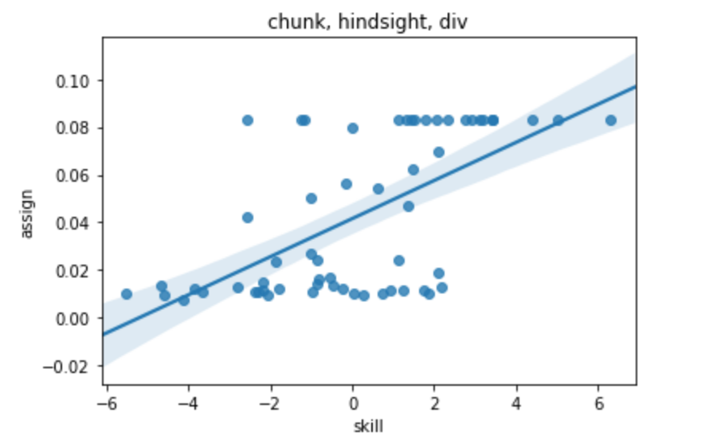

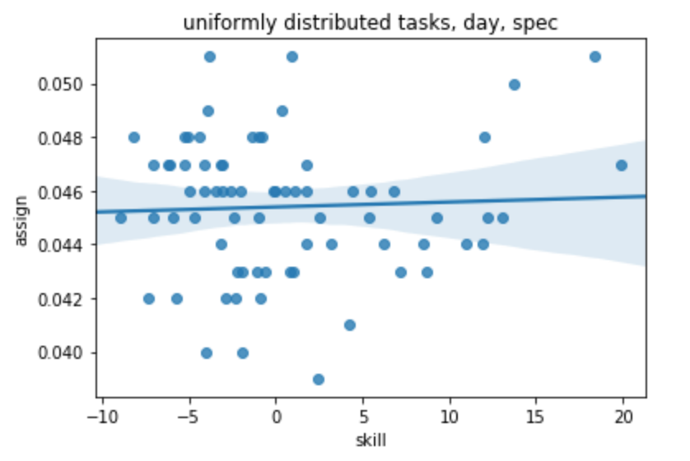
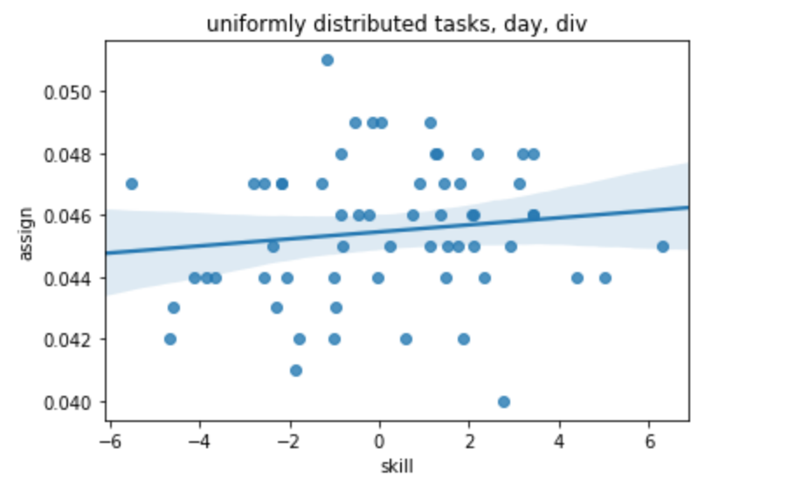
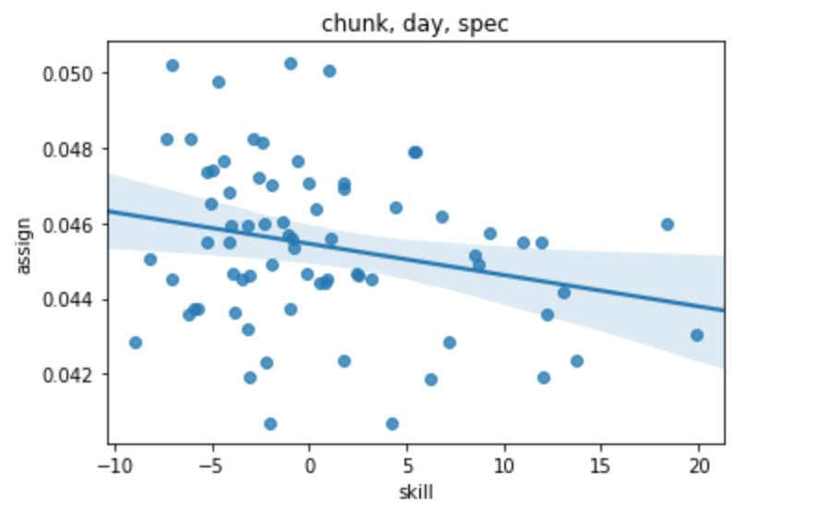
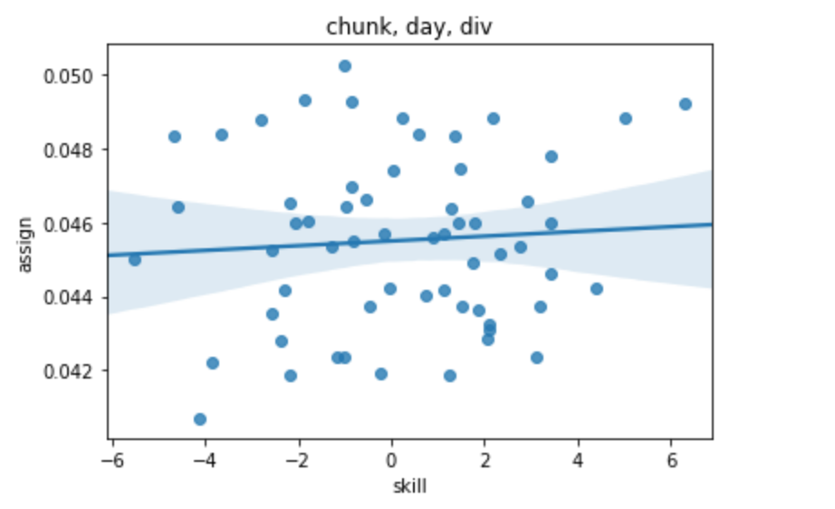

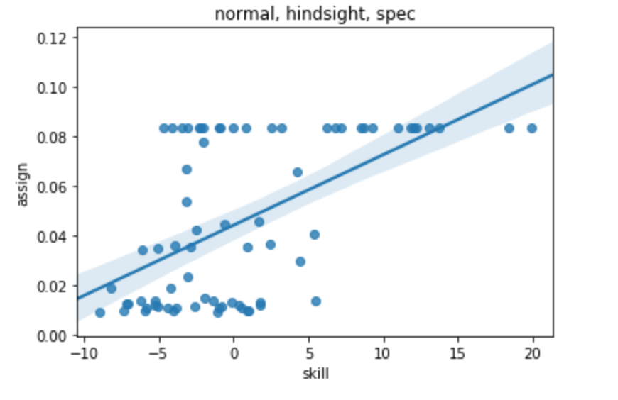
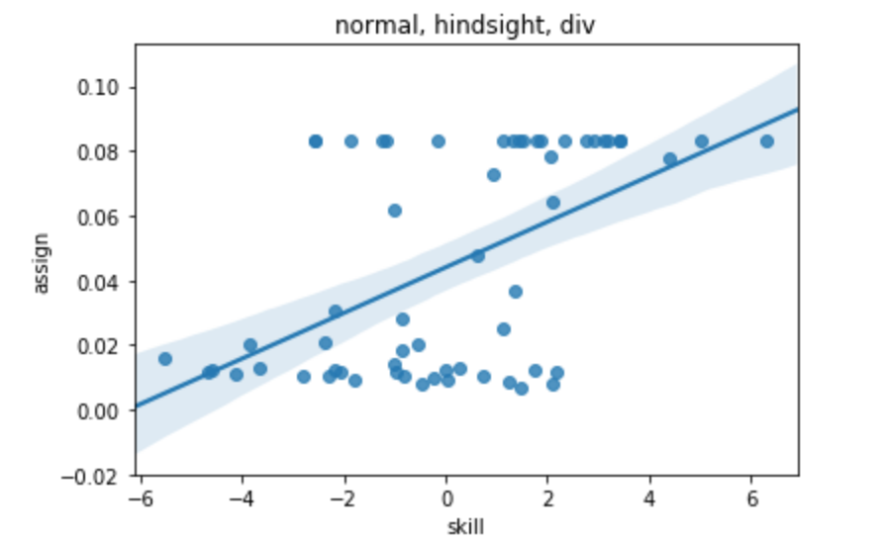

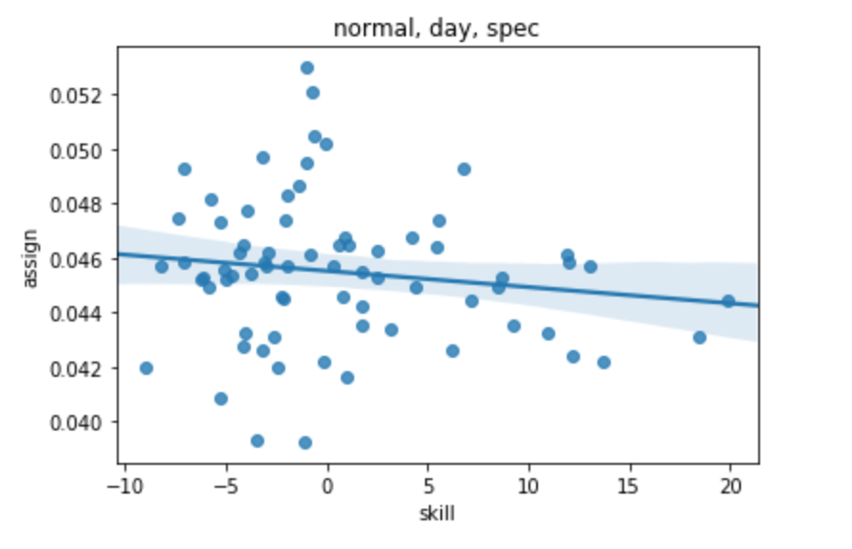
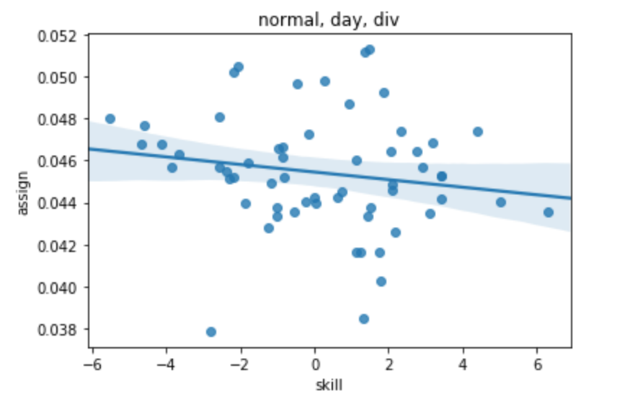

uniform day
Specialized, Day-to-day
 | % of tasks of skill x | strength of skill x | specialized*skill | diverse*skill | diverse
spec | 0.045 | 9.3 | 9.251030223 | 0 | 0.045 | 6.3
spec | 0.048 | -0.8 | -0.764210852 | 0 | 0.049 | -0.6
spec | 0.046 | 6.8 | 6.823092993 | 0 | 0.040 | 2.8
spec | 0.047 | -3.2 | -3.192148084 | 0 | 0.046 | 1.4
spec | 0.043 | -2.0 | -1.978179468 | 0 | 0.042 | 1.9
spec | 0.043 | -2.2 | -2.180507569 | 0 | 0.045 | 1.8
spec | 0.045 | 5.4 | 5.406796275 | 0 | 0.047 | -2.8
spec | 0.051 | -3.8 | -3.799132392 | 0 | 0.048 | 1.3
spec | 0.043 | 1.0 | 0.955578018 | 0 | 0.046 | 0.8
spec | 0.044 | 1.8 | 1.76489043 | 0 | 0.047 | -2.2
spec | 0.046 | -0.1 | -0.056062494 | 0 | 0.049 | 0.0
spec | 0.044 | 6.2 | 6.216108685 | 0 | 0.042 | -4.7
spec | 0.046 | -2.1 | -2.052648949 | 0 | 0.047 | -5.5
spec | 0.044 | 11.9 | 11.87913356 | 0 | 0.047 | 1.4
spec | 0.051 | 0.9 | 0.90785483 | 0 | 0.047 | 1.8
spec | 0.047 | -4.1 | -4.142416325 | 0 | 0.044 | -4.1
spec | 0.046 | -3.4 | -3.445827201 | 0 | 0.045 | -0.8
spec | 0.047 | -7.1 | -7.102920109 | 0 | 0.044 | -2.1
spec | 0.048 | -1.0 | -1.007765262 | 0 | 0.042 | -1.0
Diverse, Day-to-day
spec | 0.045 | 12.2 | 12.227428122 | 0 | 0.041 | -1.9
spec | 0.044 | 3.2 | 3.17176949 | 0 | 0.046 | 3.4
spec | 0.041 | 4.2 | 4.216653179 | 0 | 0.051 | -1.2
spec | 0.046 | -5.0 | -5.013152734 | 0 | 0.045 | -2.4
spec | 0.047 | -6.2 | -6.232183703 | 0 | 0.046 | 3.4
spec | 0.045 | -5.9 | -5.881035063 | 0 | 0.043 | -2.3
spec | 0.045 | 2.5 | 2.519530064 | 0 | 0.045 | 2.1
spec | 0.051 | 18.4 | 18.420599771 | 0 | 0.045 | 1.1
spec | 0.042 | -5.8 | -5.781028336 | 0 | 0.048 | 3.4
spec | 0.042 | -7.4 | -7.381135981 | 0 | 0.043 | -1.0
spec | 0.047 | -6.1 | -6.081048519 | 0 | 0.043 | -4.6
spec | 0.050 | 13.7 | 13.720283568 | 0 | 0.042 | -1.8
spec | 0.042 | -2.9 | -2.880833235 | 0 | 0.044 | -3.7
spec | 0.047 | 1.7 | 1.719476243 | 0 | 0.047 | -1.3
spec | 0.046 | 4.4 | 4.41965789 | 0 | 0.044 | 0.0
spec | 0.042 | -2.3 | -2.280792867 | 0 | 0.048 | -0.8
spec | 0.047 | -5.3 | -5.280994697 | 0 | 0.048 | 3.2
spec | 0.043 | 0.8 | 0.812153434 | 0 | 0.046 | 2.1
spec | 0.046 | -0.1 | -0.12184145 | 0 | 0.042 | 0.6
spec | 0.039 | 2.5 | 2.472588782 | 0 | 0.047 | 0.9
spec | 0.043 | 7.1 | 7.142563199 | 0 | 0.047 | -2.2
spec | 0.049 | -4.0 | -3.961598192 | 0 | 0.044 | 4.4
spec | 0.045 | -4.7 | -4.688038655 | 0 | 0.044 | -1.0
spec | 0.046 | 1.7 | 1.746148319 | 0 | 0.046 | -0.9 | SUMMARY OUTPUT
spec | 0.046 | -2.6 | -2.61249447 | 0 | 0.045 | 0.3
spec | 0.048 | -1.4 | -1.367167959 | 0 | 0.044 | 2.3 | Regression Statistics
spec | 0.047 | 19.9 | 19.907159938 | 0 | 0.048 | 2.2 | Multiple R | 0.088294137067
spec | 0.048 | -5.1 | -5.103147493 | 0 | 0.044 | 5.0 | R Square | 0.0077958546404
spec | 0.042 | -0.8 | -0.848281914 | 0 | 0.046 | -0.2 | Adjusted R Square | -0.01533909335
spec | 0.048 | -4.4 | -4.3644471 | 0 | 0.047 | 3.1 | Standard Error | 0.0024278691668
spec | 0.046 | 0.6 | 0.572854897 | 0 | 0.045 | 1.5 | Observations | 132
spec | 0.046 | 1.1 | 1.050658318 | 0 | 0.046 | 2.1
spec | 0.045 | -7.1 | -7.071999805 | 0 | 0.044 | -2.6 | ANOVA
spec | 0.044 | 8.5 | 8.536245214 | 0 | 0.047 | -2.6 |  | df | SS | MS | F | Significance F
spec | 0.045 | -9.0 | -8.983213481 | 0 | 0.044 | -3.8 | Regression | 3 | 5.9745192584E-06 | 1.9915064195E-06 | 0.5067834343 | 0.67828998346
spec | 0.043 | 8.7 | 8.695513021 | 0 | 0.049 | -0.1 | Residual | 129 | 0.00076039678113 | 5.8945486909E-06
spec | 0.045 | -1.0 | -1.019823165 | 0 | 0.044 | 1.5 | Total | 132 | 0.00076637130039
spec | 0.048 | 12.0 | 12.040136952 | 0 | 0.046 | -0.5
spec | 0.046 | 5.5 | 5.510156896 | 0 | 0.045 | 2.9 |  | Coefficients | Standard Error | t Stat | P-value | Lower 95% | Upper 95% | Lower 95.0% | Upper 95.0%
spec | 0.046 | -3.1 | -3.090304645 | 0 | 0.048 | 1.3 | Intercept | 0.045440884526 | 0.0002119814012 | 214.362601 | 1.522956797E-166 | 0.045021474132 | 0.04586029492 | 0.045021474132 | 0.04586029492
spec | 0.045 | -2.5 | -2.453233421 | 0 | 0.049 | 1.1 | strength of skill x | 1.88534539E-05 | 4.4975860448E-05 | 0.41919051048 | 0.67577410825 | -7.0132387521E-05 | 0.00010783929532 | -7.0132387521E-05 | 0.00010783929532
spec | 0.046 | -4.2 | -4.161379666 | 0 |  |  | specialized*skill | 0 | 0 | 65535 | #NUM! | 0 | 0 | 0 | 0
spec | 0.043 | -0.6 | -0.625234732 | 0 |  |  | diverse*skill | 9.4673624457E-05 | 0.00013167363949 | 0.71900210872 | #NUM! | -0.00016584589616 | 0.00035519314507 | -0.00016584589616 | 0.00035519314507
spec | 0.040 | -4.0 | -4.000645806 | 0
spec | 0.048 | -8.2 | -8.179726182 | 0
spec | 0.048 | -5.3 | -5.28651669 | 0
spec | 0.045 | 13.0 | 13.03714342 | 0
spec | 0.040 | -1.9 | -1.911105618 | 0
spec | 0.044 | -3.2 | -3.196976501 | 0
spec | 0.043 | -1.1 | -1.107436313 | 0
spec | 0.049 | 0.3 | 0.339168434 | 0
spec | 0.044 | 10.9 | 10.947603233 | 0
spec | 0.047 | -3.0 | -3.036242641 | 0
div | 0.045 | 6.3 | 0 | 6.317272734
div | 0.049 | -0.6 | 0 | -0.56188275
div | 0.040 | 2.8 | 0 | 2.77653094
div | 0.046 | 1.4 | 0 | 1.360234225
div | 0.042 | 1.9 | 0 | 1.866054482
div | 0.045 | 1.8 | 0 | 1.764890429
div | 0.047 | -2.8 | 0 | -2.787491877
div | 0.048 | 1.3 | 0 | 1.259070172
div | 0.046 | 0.8 | 0 | 0.753249915
div | 0.047 | -2.2 | 0 | -2.180507571
div | 0.049 | 0.0 | 0 | 0.037118425
div | 0.042 | -4.7 | 0 | -4.66485817
div | 0.047 | -5.5 | 0 | -5.535594577
div | 0.047 | 1.4 | 0 | 1.430296677
div | 0.047 | 1.8 | 0 | 1.77859124
div | 0.044 | -4.1 | 0 | -4.142416327
div | 0.045 | -0.8 | 0 | -0.83361798
div | 0.044 | -2.1 | 0 | -2.052648951
div | 0.042 | -1.0 | 0 | -1.007765262
div | 0.041 | -1.9 | 0 | -1.878501669
div | 0.046 | 3.4 | 0 | 3.419590613
div | 0.051 | -1.2 | 0 | -1.180718864
div | 0.045 | -2.4 | 0 | -2.380799594
div | 0.046 | 3.4 | 0 | 3.419590613
div | 0.043 | -2.3 | 0 | -2.280792865
div | 0.045 | 2.1 | 0 | 2.119503154
div | 0.045 | 1.1 | 0 | 1.119435875
div | 0.048 | 3.4 | 0 | 3.419590614
div | 0.043 | -1.0 | 0 | -0.980705405
div | 0.043 | -4.6 | 0 | -4.580947604
div | 0.042 | -1.8 | 0 | -1.8
div | 0.044 | -3.7 | 0 | -3.7
div | 0.047 | -1.3 | 0 | -1.3
div | 0.044 | 0.0 | 0 | 0
div | 0.048 | -0.8 | 0 | -0.8
div | 0.048 | 3.2 | 0 | 3.2
div | 0.046 | 2.1 | 0 | 2.1
div | 0.042 | 0.6 | 0 | 0.6
div | 0.047 | 0.9 | 0 | 0.9
div | 0.047 | -2.2 | 0 | -2.2
div | 0.044 | 4.4 | 0 | 4.4
div | 0.044 | -1.0 | 0 | -1
div | 0.046 | -0.9 | 0 | -0.9
div | 0.045 | 0.3 | 0 | 0.3
div | 0.044 | 2.3 | 0 | 2.3
div | 0.048 | 2.2 | 0 | 2.2
div | 0.044 | 5.0 | 0 | 5
div | 0.046 | -0.2 | 0 | -0.2
div | 0.047 | 3.1 | 0 | 3.1
div | 0.045 | 1.5 | 0 | 1.5
div | 0.046 | 2.1 | 0 | 2.1
div | 0.044 | -2.6 | 0 | -2.6
div | 0.047 | -2.6 | 0 | -2.6
div | 0.044 | -3.8 | 0 | -3.8
div | 0.049 | -0.1 | 0 | -0.1
div | 0.044 | 1.5 | 0 | 1.5
div | 0.046 | -0.5 | 0 | -0.5
div | 0.045 | 2.9 | 0 | 2.9
div | 0.048 | 1.3 | 0 | 1.3
div | 0.049 | 1.1 | 0 | 1.1

wrong data, sad
z-1,y | z-1, y+1 | z-1, y+2 | z-2, y+1 | z-2, y+2 | z-1, y+3 | z-1, y+4 | z-2, y+3 | z-3, y+2 | z-4, y+1 | z-1, y+5 | z-2, y+4 | z-3, y+3 | z-4, y+2 | z-5, y+1 | z-1, y+6 | z-2, y+5 | z-3, y+4 | z-4, y+3 | z-5, y+2 | z-6, y+1
47 | 39.5 | 41 | 36.9 | 41.8 | 39.3 | 52.56 | 36.9 | 41.3 | 42.4 | 64.9 | 62.1 | 38.6 | 48.2 | 47.3
40.6 | 36.7 | 44.4 | 39.5 | 38.4 | 41.9 | 46.75 | 39.8 | 45.4 | 46.3 | 59 | 52 | 44.1 | 42.8 | 45.4
46.9 | 52.6 | 47.2 | 48.1 | 46.8 | 52 | 46.5 | 43.2 | 41.3 | 41.5 | 55.8 | 41.2 | 44.8 | 44.6 | 45
44.4 | 43.1 | 37.8 | 45.1 | 39.4 | 38.9 | 46.4 | 52.6 | 43.5 | 42.2 | 66.8 | 51.7 | 44.9 | 44.9 | 48.8
47.1 | 41.2 | 44 | 45.7 | 42.1 | 36.9 | 44.8 | 44.8 | 39.94 | 44.6 | 62.8 | 61.7 | 40.5 | 44.2 | 54
41.4 | 50.2 | 39.5 | 50 | 38.9 | 40.4 | 44.5 | 44.2 | 44 | 39.7 | 58.7 | 52.9 | 38.5 | 37.8 | 46.3
42.7 | 39.3 | 42.8 | 41.5 | 41.7 | 49 | 42.3 | 45.7 | 46.5 | 44.5 | 48.7 | 48.3 | 38.9 | 41.3 | 49.7
39 | 50 | 40 | 43.3 | 42.4 | 44.7 | 45.5 | 40.7 | 41.1 | 44.5 | 58.2 | 55.9 | 45.2 | 46.6 | 44
48.1 | 43.7 | 47.2 | 50.9 | 40.7 | 41.4 | 50 | 41 | 46.7 | 38.8 | 58.7 | 54.8 | 42.1 | 42.2 | 56.2
36.7 | 37.4 | 45.7 | 46.3 | 41.7 | 42.8 | 44.3 | 46.7 | 42.6 | 42.2 | 54.1 | 51.6 | 43.5 | 41.6 | 48.2
37.4 | 47.7 | 43.6 | 41 | 49.6 | 43.6 | 51.2 | 42.8 | 48.5 | 43.4 | 57.5 | 56.5 | 41 | 45 | 48.7
42.8 | 42.6 | 42.9 | 47.6 | 42.2 | 43.7 | 47 | 33.5 | 50.7 | 41.9 | 61.5 | 59.1 | 41.3 | 47.6 | 50
45.5 | 33.3 | 43.6 | 39.1 | 42.8 | 47.3 | 48.1 | 45.2 | 40.8 | 37.6 | 58.6 | 45.6 | 39.4 | 46.7 | 46.8
38.2 | 45.2 | 43.8 | 48.5 | 44.2 | 46.5 | 51.3 | 47.2 | 49.3 | 42.7 | 61 | 56.3 | 48.2 | 43.6 | 51.2
43.3 | 45.3 | 37.7 | 42.2 | 44.2 | 45.3 | 50.2 | 40.9 | 55.1 | 43.1 | 56.7 | 57.7 | 43.5 | 42 | 51.2
37.4 | 41.8 | 45.4 | 34 | 36.9 | 44.3 | 45.9 | 48.7 | 50.1 | 37.3 | 60.1 | 48.2 | 44 | 41.5 | 52.9
40.7 | 39 | 39.5 | 42.3 | 50.5 | 48 | 45.3 | 44 | 48.1 | 51.7 | 62.8 | 58.7 | 46.2 | 48.2 | 50.3
37.4 | 39.6 | 51.8 | 44.2 | 44.7 | 41.8 | 49 | 45.4 | 39.3 | 42.6 | 52.5 | 54.8 | 40.8 | 42 | 54
44.7 | 42.6 | 52.3 | 42.8 | 44.2 | 42.5 | 51.5 | 44.4 | 41.8 | 45.1 | 58.9 | 47.5 | 48.6 | 48.6 | 58.2
44.3 | 43.5 | 41.7 | 41.1 | 49.5 | 43.7 | 53.2 | 45.2 | 46.8 | 37.2 | 52.8 | 54.8 | 42.1 | 423.6 | 49.4

42.27 | 42.71 | 43.6 | 43.52 | 43.14 | 43.7 | 47.82 | 43.64 | 45.35 | 42.5 | 58.5 | 59.5 | 42.8 | 44.1 | 49.888616502 | 60.5 | 62.92 | 60 | 44.5 | 55.190019776 | 54.894259969

1.76 | 2.911 | 3.911 | 3.911 | 4.911 | 5.038 | 37.94 | 6.122 | 5.911 | 5.9 | 109.2 | 53.6 | 7.3 | 6.91 | 65.716944444 | 166.9 | 137.16 | 86 | 8.8816666667 | 83.875833333 | 141.84333333

Average gap/Day vs. Average Skill Used/Day
1.76 | 42.27
2.911 | 42.71
3.911 | 43.6
3.911 | 43.52
4.911 | 43.14
5.038 | 43.7
6.122 | 43.64
5.911 | 45.35
5.9 | 42.5
7.3 | 42.8
6.91 | 44.1
7.3119444444 | 43.833497117
8.8816666667 | 44.5

Sheet2
Avg total skill use vs. Avg balance gap
a+b | a | b | gap | skill
1 | 1 | 0 | 6.7 | 49.3
2 | 1 | 1 | 10.2 | 50.2
3 | 1 | 2 | 13.6 | 50.4
3 | 2 | 1 | 13.7 | 50.2
4 | 2 | 2 | 17.3 | 50.5
4 | 3 | 1 | 18.3 | 50.9
4 | 1 | 3 | 18.8 | 50.7
5 | 3 | 2 | 21.7 | 52.7
5 | 2 | 3 | 26.3 | 52.1
5 | 4 | 1 | 27.3 | 52.2
6 | 3 | 3 | 32.1 | 54.1
6 | 4 | 2 | 36.9 | 55.7
5 | 1 | 4 | 55.7 | 57.5
6 | 2 | 4 | 80.5 | 63.2
6 | 5 | 1 | 80.9 | 55.8
6 | 1 | 5 | 124.9 | 66.2

 |  |  |  |  | extra slack in gap
 | days batched | average skill | gap | z-1, y+1 |  | z-1, y+2 |  | z-2, y+1
 | 1 | 49.25 | 6.66 | 50.227061747 | 10.185555556 | 50.428521905 | 13.635277778
 | 2 | 50.196128108 | 1.8794444444 | 50.531973951 | 2.8677777778 | 50.702752579 | 3.6986111111
 | 5 | 52.923463551 | 0.48972222222 | 51.868735428 | 0.72527777778 | 54.506539808 | 0.94055555556
 | 9 | 60.111419948 | 0.21083333333 | 59.891058612 | 0.32777777778 | 59.787274816 | 0.43888888889
Avg total skill use vs. N (days batched)
 | 12 | 64.321563923 | 0.15472222222 | 64.668668695 | 0.24444444444 | 65.045170977 | 0.32777777778
 | 18 | 71.414025913 | 0.11083333333 | 72.307197716 | 0.16666666667 | 73.331129861 | 0.22222222222
 | 36 | 96.901173083 | 0.055555555556 | 96.74094778 | 0.083333333333 | 96.831339298 | 0.11111111111
 | 45 | 108.49053539 | 0.044166666667 | 109.81286349 | 0.066666666667 | 109.18594158 | 0.088888888889
 | 60 | 131.77265307 | 0.033333333333 | 130.04303568 | 0.05 | 129.57719507 | 0.066666666667
 | 90 | 172.03677945 | 0.022222222222 | 172.16675806 | 0.033333333333 | 172.73509723 | 0.044444444444
 | 180 | 296.52085109 | 0.011111111111 | 297.14390459 | 0.016666666667 | 297.49673906 | 0.022222222222

 | days | 2 | 20 | range(40, 60)
 |  | 4 | 40 | range(80, 100)
 |  | change batch number

 |  | 16 | actually day 32
 |  |  | delete days 0-2
 |  |  | delete 20

 | 1 | 49.25 | 50.227061747 | 50.428521905
 | 2 | 50.196128108 | 50.531973951 | 50.702752579
 | 5 | 52.923463551 | 51.868735428 | 54.506539808
 | 9 | 60.111419948 | 59.891058612 | 59.787274816
 | 12 | 64.321563923 | 64.668668695 | 65.045170977
 | 18 | 71.414025913 | 72.307197716 | 73.331129861
 | 36 | 96.901173083 | 96.74094778 | 96.831339298
 | 45 | 108.49053539 | 109.81286349 | 109.18594158
 | 60 | 131.77265307 | 130.04303568 | 129.57719507
 | 90 | 172.03677945 | 172.16675806 | 172.73509723
 | 180 | 296.52085109 | 297.14390459 | 297.49673906

